Dashboard
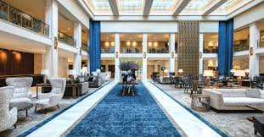
Hotel Bookings And Revenue Analysis Dashboard

Total Revenue
₹ 95,35,500
Total Profit
₹ 7,628,400
Total Avg.Daily Rate
₹ 1380330
Total Rooms Booked
1519
Total Rooms Available
4824
Occupancy Rate 16786609%

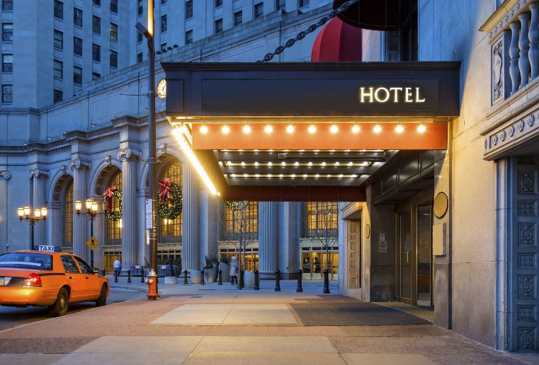
Lead Time by Market Segment
 | Total
Complementary | 16
Corporate | 15.42
Direct | 15.641509434
Groups | 13.246153846
Offline TA/TO | 14.578125
Online TA | 13.857142857
ADR by Room Type
 | Sum of Room Revenue | Sum of Total Nights
A | 4565500 | 857
B | 24000 | 8
C | 44000 | 14
D | 2722500 | 315
E | 1116000 | 161
F | 552000 | 74
G | 208500 | 52
H | 303000 | 38

Market Segment Vs. Total Guests
 | Total
Complementary | 4
Corporate | 74
Direct | 109
Groups | 129
Offline TA/TO | 139
Online TA | 375
Room Type vs. Profit
 | Total
A | 3652400
B | 19200
C | 35200
D | 2178000
E | 892800
F | 441600
G | 166800
H | 242400
Total Guests by Hotel and Meal Type
 | BB | FB | HB | SC
City Hotel | 309 |  | 54 | 16
Resort Hotel | 359 | 6 | 86

